Rules
Please rename your roster file to your First and Last Name
Please email to BDRosters@gmail.com

Team Creation
Total GP Allowed | 1,200,000 | Additional Inducements
May Purchase: | Rerolls (Verify price is correct on roster) | Halfling Master Chef 300k (100k for Halflings)
 | Coaches - 10k | Bloodweiser Kegs - 50k
 | Cheerleaders - 10k | Wandering Apoths - 100k (Works as Normal)
 | Apoth - 50k (Works as Normal) | Morge Assistant - 100k
 | Bribes (Check main and Spiky rules for additional info) | Plague Doctor - 100k
 | Stars (Depending on Skill Pack). Must have 11 players first | Riotous Rookies - 100k
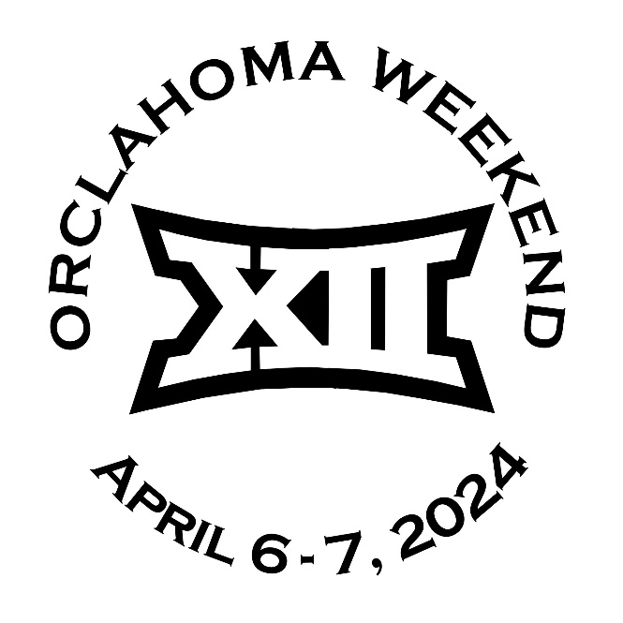
Tier | Teams | Points
1 | Amazon, Dark Elves, Dwarves, Humans, Lizardmen, Necromantic Horror, Norse, Orcs, Shambling Undead, Skaven, Underworld Denizens, Wood Elves | 42
2 | Black Orc, Chaos Chosen, Chaos Renegade, Elven Union, Imperial Nobility, Khorne, Nurgle, Old World Alliance, Snotlings, Vampires | 54
3 | Halflings, Goblins, Ogres | 66
REMINDERS | Highalnder Rule is in effect for Star Players
 | To be eligible for Stunty Cup, you can not take a Mega Star

Orclahoma Roster
 | Orclahoma Team Name Here

No. | Players Name | Position | MA | ST | AG | PA | AV | Original Skills | Chosen Skills |  |  | COST
1
2
3
4
5
6
7
8
9
10
11
12
13
14
15
16

 |  |  | TEAM NAME : |  |  |  |  |  | Change RR Cost to match your Team
 |  |  | RACE NAME : |  |  |  |  |  | Re-Rolls | 0 | 60,000 gp | 0 gp
 |  |  | RACE TIER : |  |  |  |  |  | Dedicated Fans | 1 | One Free | 0 gp
 |  |  | Pts : |  |  |  |  |  | Assistant Coaches | 0 | 10,000 gp | 0 gp
 |  |  |  |  |  |  |  |  | Cheerleaders | 0 | 10,000 gp | 0 gp
 |  |  | NAF ID : |  |  |  |  |  | Team Apothecary | 0 | 50,000 gp | 0 gp
 |  |  | PLAYER NAME : |  |  |  |  |  | Total Cost of Team |  |  | 0 gp

Spiky Roster
 | Spiky Team Name Here

No. | Players Name | Position | MA | ST | AG | PA | AV | Original Skills | Chosen Skills |  |  | COST
1
2
3
4
5
6
7
8
9
10
11
12
13
14
15
16

 |  |  | TEAM NAME : |  |  |  |  |  | Change RR Cost to match your Team
 |  |  | RACE NAME : |  |  |  |  |  | Re-Rolls | 0 | 60,000 gp | 0 gp
 |  |  | RACE TIER : |  |  |  |  |  | Dedicated Fans | 1 | One Free | 0 gp
 |  |  | Pts : |  |  |  |  |  | Assistant Coaches | 0 | 10,000 gp | 0 gp
 |  |  |  |  |  |  |  |  | Cheerleaders | 0 | 10,000 gp | 0 gp
 |  |  | NAF ID : |  |  |  |  |  | Team Apothecary | 0 | 50,000 gp | 0 gp
 |  |  | PLAYER NAME : |  |  |  |  |  | Total Cost of Team |  |  | 0 gp

